Indices

 | Iraq Stock Exchange
 | Bulletin No (87)
 | ISX Trading Indices of Monday 18/5/2026

 | Traded Volume and OTC |  | 1,433,329,146 |  | Traded Value and OTC |  | 2,076,994,021 |  | Traders | 1204

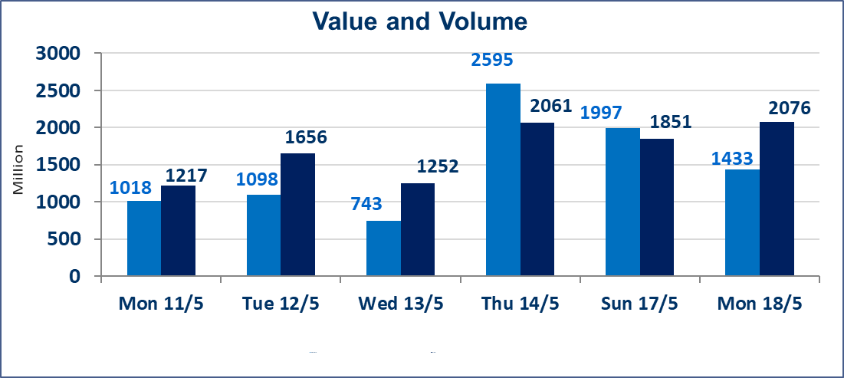
 | ISX Index 60 |  |  | 945.70 | ISX Index 15 |  |  | 1242.56
 | Previous ISX Index60 |  |  | 944.31 | Previous ISX Index15 |  |  | 1241.27
 | Change % |  |  | 0.15 | Change % |  |  | 0.10
 | Change |  |  | 1.39 | Change |  |  | 1.29

 | Listed Companies | 104 | OTC | 14 | Non Traded listed | 42 | OTC | 12
 | Traded Listed Companies | 51 | OTC | 2 | Higher Companies |  |  | 15
 | GAM Companies |  |  | 3 | Lower Companies |  |  | 14
 | Suspended Companies |  |  | 8
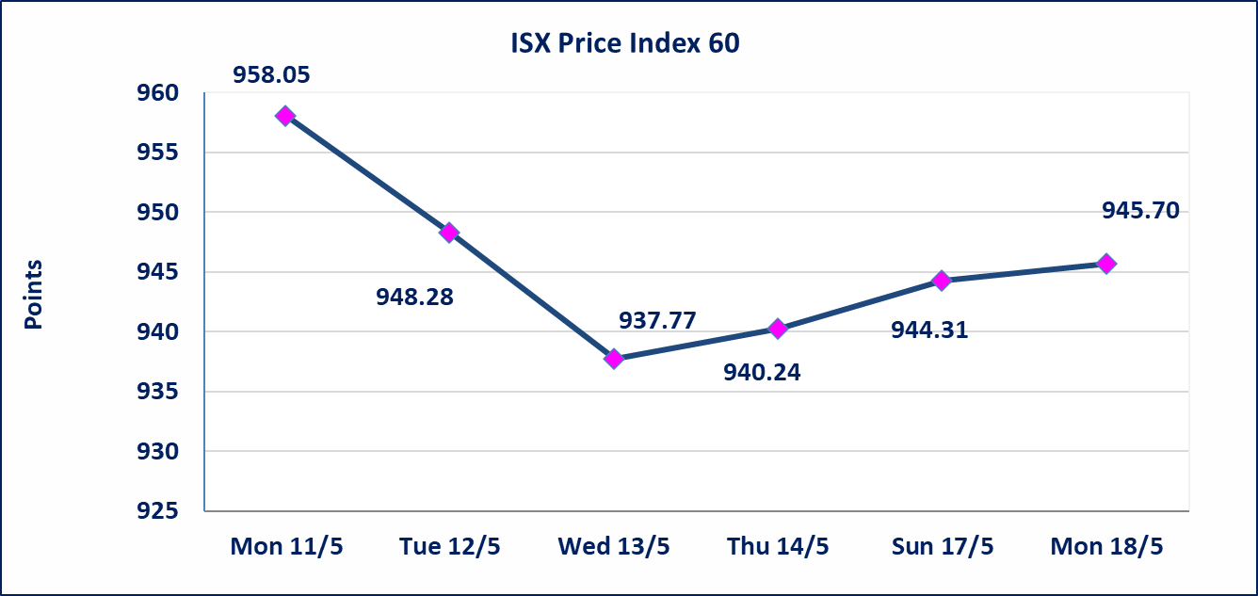
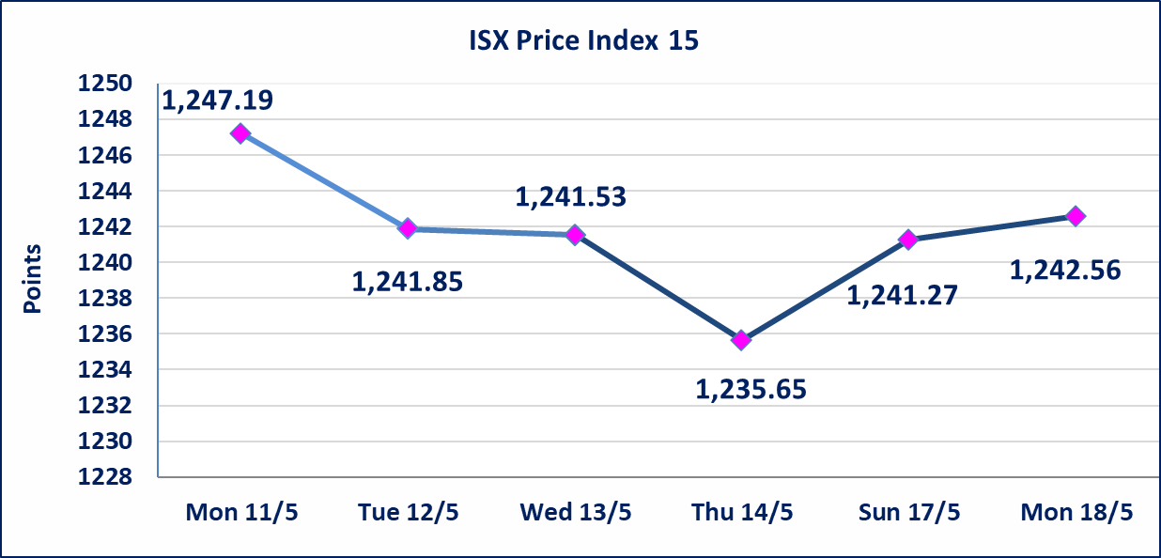

Al-Alwiya P.O . 3607 Mobile: 07711211522 - 07270094594 - 07834000034 E-mail: info-isx@isx-iq.net Web site:www.isx-iq.net

Top 5
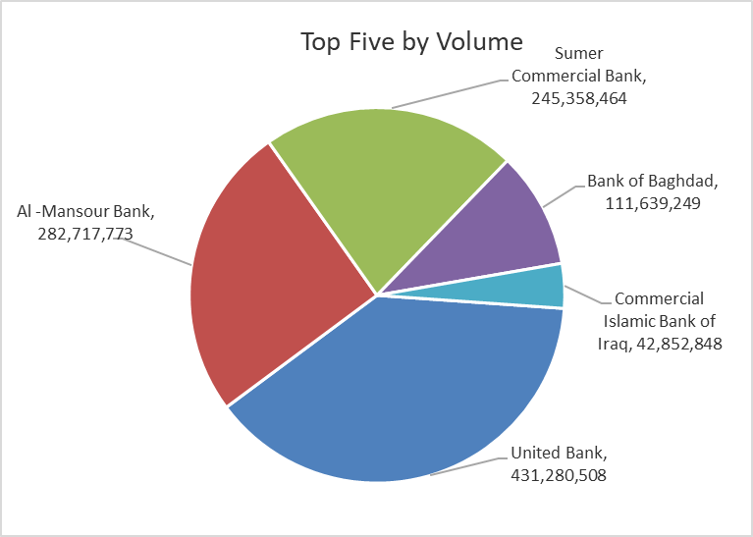
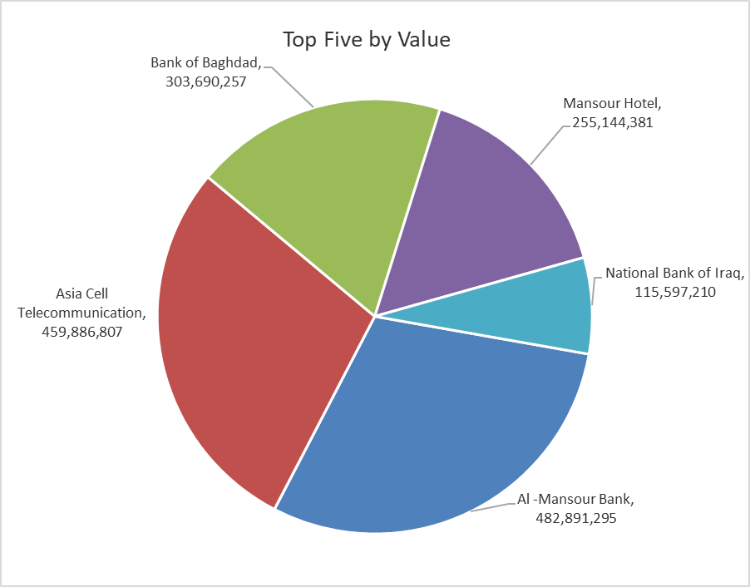

ISX top ganing and losing companies
Monday 18/5/2026
 | Gainers |  |  |  | Losers
 | Company Name | Closing Price | Change (%) | Traded Volume | Company Name | Closing Price | Change (%) | Traded Volume
 | Middle East Bank | 0.100 | 11.11 | 4,476,759 | Sumer Commercial Bank | 0.190 | -5.00 | 245,358,464
 | Dar Al-Salam for Insurance | 0.780 | 4.00 | 4,000,000 | Economy Bank | 0.230 | -4.17 | 30,260,550
 | Ashur International Bank | 0.270 | 3.85 | 20,034,105 | Iraq Noor Islamic Bank for Investment | 0.230 | -4.17 | 103,545
 | Iraqi for Seed Production | 4.950 | 2.91 | 2,637,351 | Agricultural Products Meat | 4.500 | -3.64 | 350,000
 | Gulf Commercial Bank | 0.370 | 2.78 | 38,010,218 | Rehab Karbalaa | 0.630 | -3.08 | 500,000
 | The most active companies in term of traded volume and value

 | Traded Volume |  |  |  | Traded Value
 | Company Name | Closing Price | Change (%) | Traded Volume | Company Name | Closing Price | Change (%) | Traded Value
 | United Bank | 0.060 | 0.00 | 431,280,508 | Al -Mansour Bank | 1.720 | 0.00 | 482,891,295
 | Al -Mansour Bank | 1.720 | 0.00 | 282,717,773 | Asia Cell Telecommunication | 17.150 | 0.06 | 459,886,807
 | Sumer Commercial Bank | 0.190 | -5.00 | 245,358,464 | Bank of Baghdad | 2.720 | -0.37 | 303,690,257
 | Bank of Baghdad | 2.720 | -0.37 | 111,639,249 | Mansour Hotel | 51.000 | 0.00 | 255,144,381
 | Commercial Islamic Bank of Iraq | 0.680 | 1.49 | 42,852,848 | National Bank of Iraq | 4.000 | 1.52 | 115,597,210

Non Iraqis

Iraq Stock Exchange
Non Iraqis' Bulletin Monday May 18 2026
Regular Market

Non Iraqi Trading of Regular Market (Buy)
Company Names | Code | No.of trades | Traded Shares | Trading Volume
Banks Sector
National Bank Of Iraq | BNOI | 1 | 500,000 | 1,960,000
Total Bank sector |  | 1 | 500,000 | 1,960,000
Agricultural Sector
Iraqi Agricultural Products Marketing Meat | AIPM | 1 | 40,002 | 180,009
Total Agricultural Sector |  | 1 | 40,002 | 180,009
Grand Total |  | 2 | 540,002 | 2,140,009

Non Iraqi Trading of Regular Market (Sell)
Company Names | Code | No.of trades | Traded Shares | Trading Volume
Telecommunication Sector
Asia cell | TASC | 44 | 11,415,932 | 195,859,746
Total Telecommunication sector |  | 44 | 11,415,932 | 195,859,746
Grand Total |  | 44 | 11,415,932 | 195,859,746

Non Iraqi Trading of Undisclosed Platform (BUY)
Company Names | Code | No.of trades | Traded Shares | Trading Volume
Industry Sector
ELectronic Industries | IELI | 2 | 15,833,530 | 22,166,942
Total Industry sector |  | 2 | 15,833,530 | 22,166,942
Grand Total |  | 2 | 15,833,530 | 22,166,942

Not Trading Bonds

Iraq Stock Exchange
Monday 18/5/2026
Not Trading Bonds Bulletin
Bond type | Publish type | Code | last trading price | immortilize date
Banaa Bonds /Million ID | Second | CB20 | 964,981 | 19/12/2025
Eamar Bonds /Million ID | First | CB30 | 1,001,095 | ــــــــــــــــ
Eamar Bonds /Million ID | Second | CB40 | ــــــــــــــــ | ــــــــــــــــ
Eamar Bonds /500 Thousand ID | Third | CB45 | ــــــــــــــــ | ــــــــــــــــ
Eamar Bonds /Million ID | Third | CB50 | ــــــــــــــــ | ــــــــــــــــ
Injaz Bonds /500 Thousand ID | First | CB55 | ــــــــــــــــ | ــــــــــــــــ
Injaz Bonds /Million ID | First | CB60 | 951,110 | ــــــــــــــــ
Injaz Bonds /500 Thousand ID | Second | CB65 | 507,301 | ــــــــــــــــ
Injaz Bonds /Million ID | Second | CB70 | 965,050 | ــــــــــــــــ
Injaz Bonds /500 Thousand ID | Third | CB75 | ــــــــــــــــ | ــــــــــــــــ
Injaz Bonds /Million ID | Third | CB80 | 978,182 | ــــــــــــــــ
National Bonds/Million ID | First | CB90 | ــــــــــــــــ | ــــــــــــــــ
National Bonds/500 Thousand ID | Second | CB95 | ــــــــــــــــ | ــــــــــــــــ
National Bonds/Million ID | Second | CB100 | ــــــــــــــــ | ــــــــــــــــ

